하네스
Battery
Pin-map |  |  |  |  |  | Part List
 | Pin No | Function |  | Pin No | Function | PCB | PN | Vendor | Description
Main PCB | 1 | GND | Battery | 1 | GND | Main | 053048-0310 | Molex | 1.25mm Pitch DIP CON, Right Angle 3-Pin
 | 2 | Battery Temp ADC |  | 2 | Battery Temp ADC | 하네스 | 051021-0300 | Molex | 1.25mm Pitch Housing, Female, 3-Pin
 | 3 | Battery Vcc |  | 3 | Battery Vcc |  | 050058-8000 | Molex | 1.25mm Pitch Crimp Terminal, Female, 28-32 AWG
 |  |  |  |  |  |  | 케이블 |  | AWG28
 |  |  |  |  |  |  | Battery
Transformer
Pin-map |  |  |  |  |  | Part List
 | Pin No | Function |  | Pin No | Function | PCB | PN | Vendor | Description
Main PCB | 1 | Gas S/V Enable | S/V | 1 | Gas S/V Enable | Main | 053048-0710 | Molex | 1.25mm Pitch DIP CON, Right Angle 7-Pin
 | 2 | GND |  | 2 | GND | 하네스 | 051021-0700 | Molex | 1.25mm Pitch Housing, Female, 7-Pin
 | 3 | Plasma On Key | Transformer PCB | 1 | Plasma On Key |  | 050058-8000 | Molex | 1.25mm Pitch Crimp Terminal, Female, 28-32 AWG
 | 4 | GND |  | 2 | GND |  | 케이블 |  | AWG28
 | 5 | PULSE_OUT2 |  | 3 | PULSE_OUT2 |  | 050058-8000 | Molex | 1.25mm Pitch Crimp Terminal, Female, 28-32 AWG
 | 6 | PULSE_OUT1 |  | 4 | PULSE_OUT1 |  | 051021-0500 | Molex | 1.25mm Pitch Housing, Female, 5-Pin
 | 7 | +8.0V |  | 5 | +8.0V | Transformer | 053398-0571 | Molex | 1.25mm Pitch SMD CON, Vertical 5-Pin

GND 하네스
Pin-map |  |  |  |  |  | Part List
 | Pin No | Function |  | Pin No | Function | PCB | PN | Vendor | Description
Main PCB | 1 | PAD - GND |  |  |  | Main | DC-011C_SMD |  | DC Power Jack, 0.7 Pie, DC Plug, SMD
 | 2 | DC Jack detect Pin |  |  |  | 하네스 | NA645 | 라이트컴 | Coms 컨넥터-DC파워 2.5Ø x 0.7(각형)
 | 3 | Case Pin - GND | GND Cable | 1 | Case Pin - GND |  | 케이블 |  | AWG20
 | 4 | Center Pin - GND |  | 2 | Center Pin - GND |  | 악어클립 |  | 악어클립 대(검정색)
 | 5 | PAD - GND
 | 6 | Hole
 | 7 | Hole

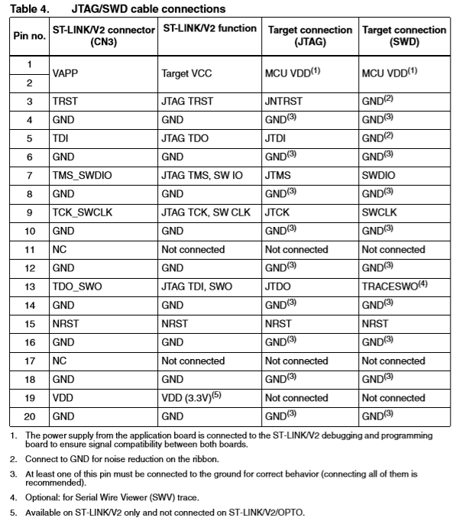
JTAG 하네스
Pin-map
 | Pin No | Function |  | Pin No | Function
Main PCB | 1 | USB VBUS | ST-LINK | 1,2 | MCU VDD
 | 2 | SYS_SWDIO |  | 7 | SYS_SWDIO
 | 3 | SYS_SWCLK |  | 9 | SYS_SWCLK
 | 4 | USB_ID |  | 3 | GND
 | 5 | GND |  | 4 | GND

Sheet1
